insights
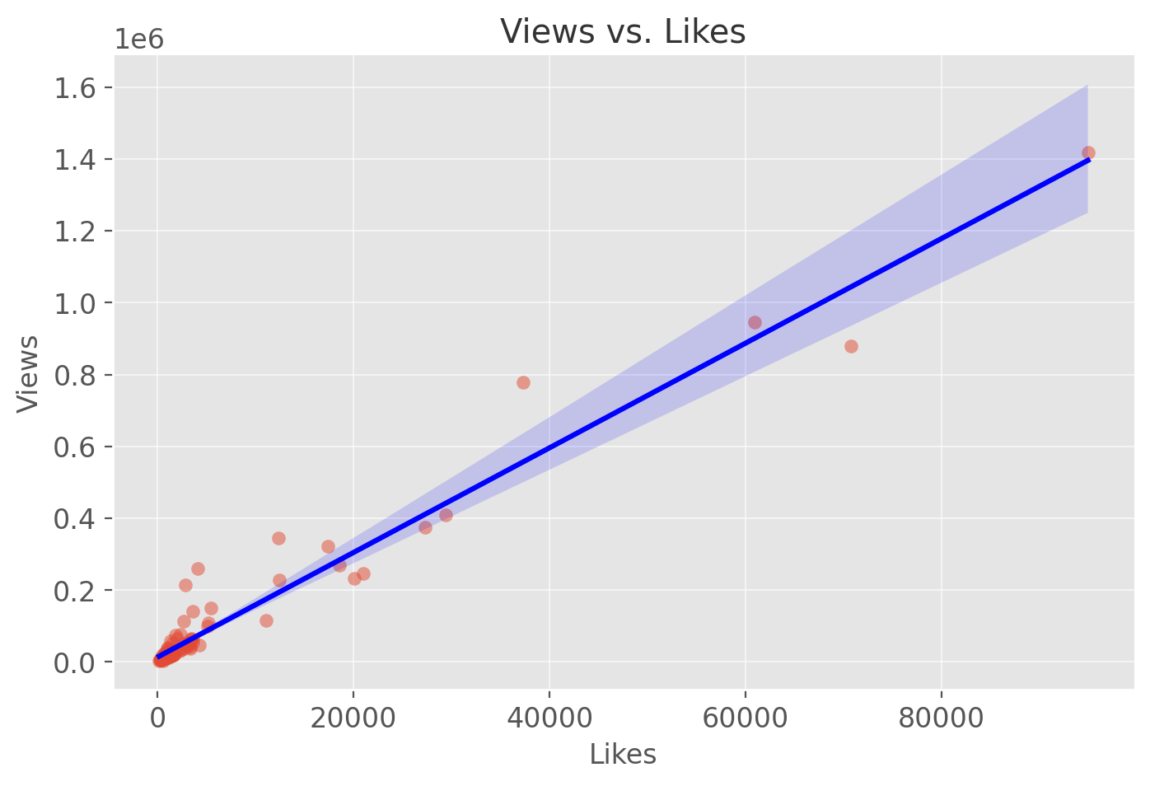
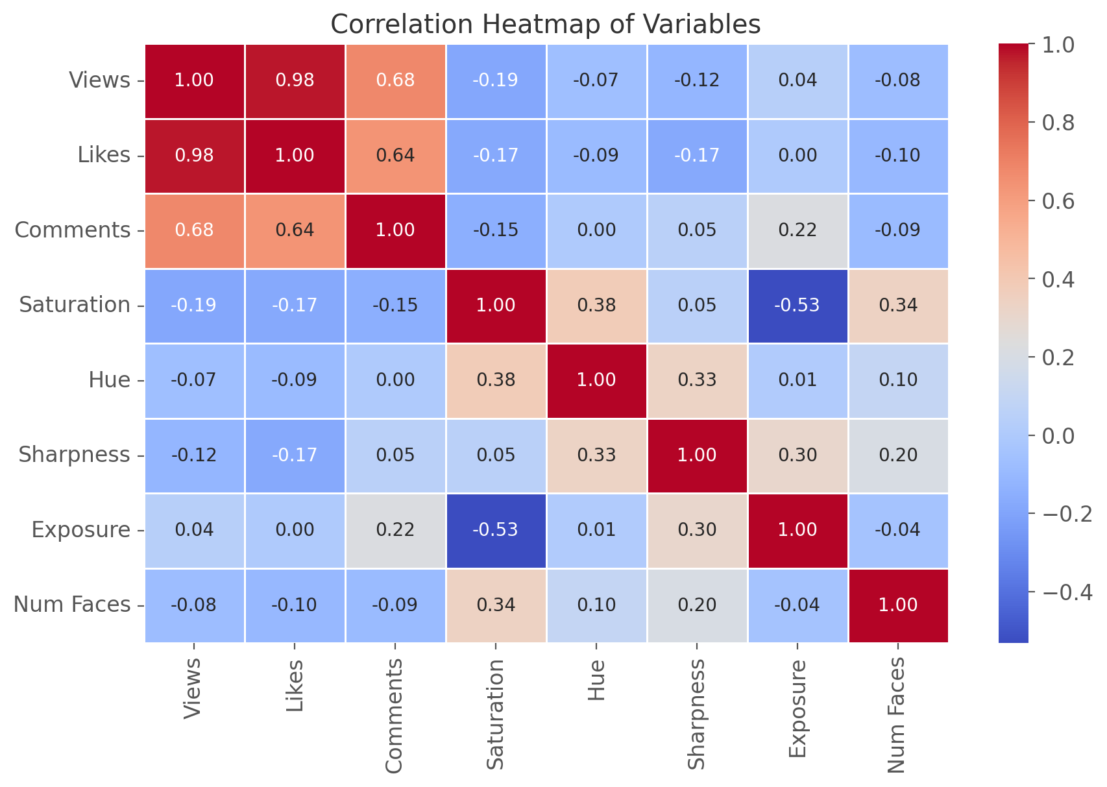
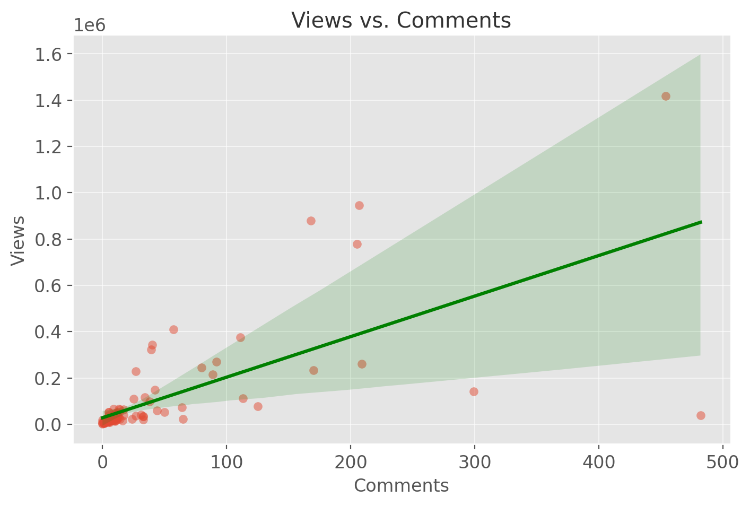

Insights

 | Strong Predictive Power: The model has an R-squared of 0.960, indicating that 96% of the variance in Views can be explained by the given independent variables.
 | Highly Significant Predictors:

 | Likes: A strong positive relationship with views (p-value < 0.001), suggesting that for every 1 additional like, views increase by 13.8.
 | Comments: Also significant (p-value = 0.003), where each additional comment contributes to an increase of 222.4 views.

 | Less Impactful Variables:

 | Saturation, Hue, Sharpness, and Exposure show no strong correlation with views (p-values > 0.2), indicating that thumbnail aesthetics might not be a major driver of video popularity.
 | Number of Faces: Shows a large coefficient (7032.9), but the p-value (0.241) suggests it’s not a statistically strong predictor.

 | Potential Multicollinearity Issues: The high condition number (6.44e+04) suggests possible multicollinearity between variables.

